Introduction
I WILL PUT SOME PROPER WORDING AROUND THIS BEFORE WE FINALISE THE ASSET

This asset has been created as part of the FE Strategic Leadership Programme, funded by ETF / DfE, delivered at Oxford Said Business School ….

Intro to resilience: plenty of research of how individuals bounce back from adversity - but less on what makes organisations resilient. Given the accelerating pace of change in the sector, and the increasing pressure on the students we serve, this is a good time to consider how Colleges can demonstrate agility and resilience in "bouncing foward" after shocks
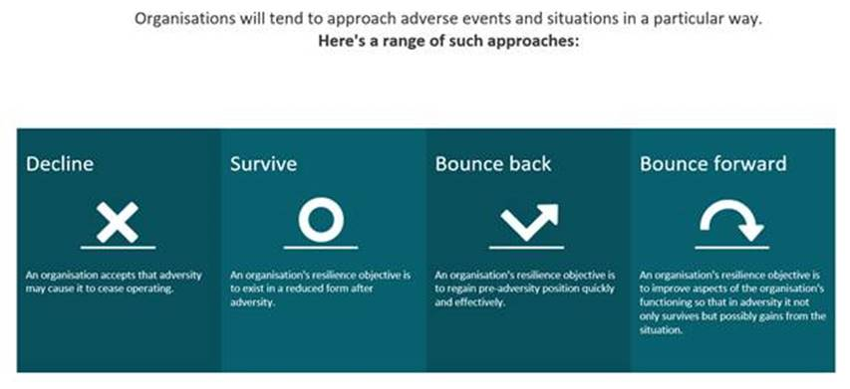

This work undertaken by 5 College Principals, with tutorial support from Prof Sue Dopson, whose support we gratefully acknowledge.

This asset is substantially based on an assessment tool developed by the Australian Government. Link. We have made some limited modifications to this toolkit to make it more reflective of a FE context, but acknowledge the substantial debt we owe to the original authors. [any errors our own / disclaimer etc ]

Results - spider Graph
 | Leadership & Culture attribute | Networks & partnerships attribute | Change Ready Attribute
0 | 0 | 0 | 0
0 | 0 | 0 | 0
0 | 0 | 0 | 0
0 | 0 | 0 | 0
0 | 0 | 0 | 0
0 | 0 | 0 | 0
0 | 0 | 0 | 0
0 | 0 | 0 | 0
0 | 0 | 0 | 0
0 | 0 | 0 | 0
0 | 0 | 0 | 0
0 | 0 | 0 | 0
0 | 0 | 0 | 0

